Pooled Funds & Total Fossil Fue
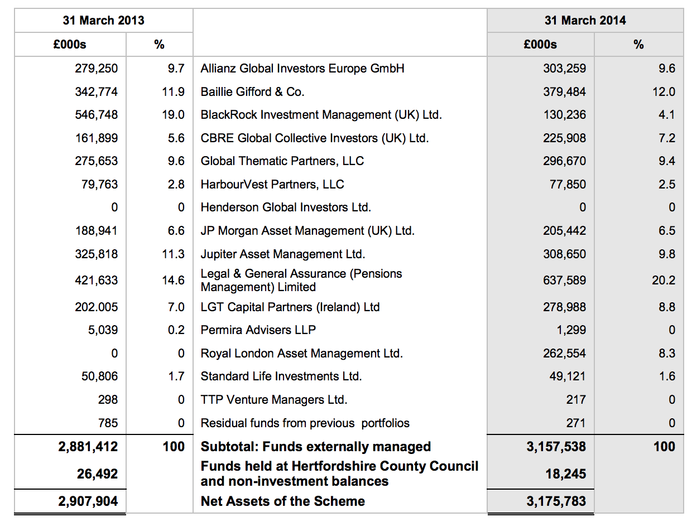
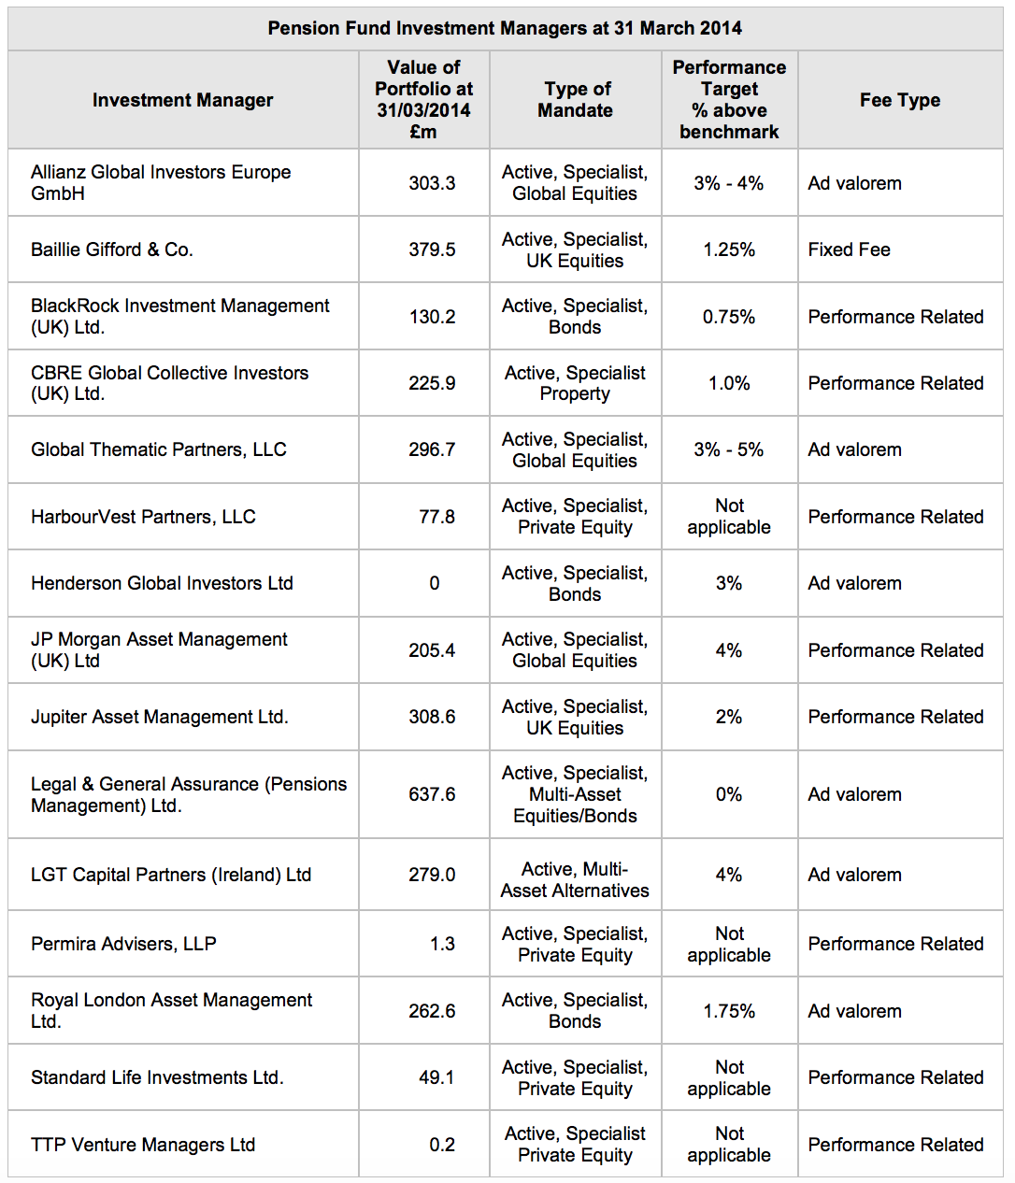
Pooled fund estimate | 10%
 | Amount | Percentage | Name | Pooled fund | Estimated fossil fuel holdings: | in % of total holdings

Total | 3,469,985,092.00
1 | 382,818,965.90 | 11.03% | CROWN HCC SEGREGATED PORTFOLIO SERIES 1 (GBP |  | 0.00 | 0.00%
2 | 373,606,746.40 | 10.77% | OVER 5Y INDEX-LINKED GILTS |  | 0.00 | 0.00%
3 | 325,569,646.30 | 9.38% | CORE PLUS BOND FUND |  | 0.00 | 0.00%
4 | 161,666,701.60 | 4.66% | ABSOLUTE RETURN BOND FUND |  | 0.00 | 0.00%
5 | 100,130,799.60 | 2.89% | UK EQUITY INDEX | yes | 10,013,079.96 | 0.29%
6 | 96,067,558.51 | 2.77% | EUROPE (EXUK) INDEX-GBP HEDGED | yes | 9,606,755.85 | 0.28%
7 | 82,791,365.14 | 2.39% | GLOBAL ALPHA |  | 0.00 | 0.00%
8 | 71,068,973.29 | 2.05% | NORTH AMERICA EQUITY INDEX | yes | 7,106,897.33 | 0.20%
9 | 60,923,016.56 | 1.76% | N AMERICA EQ INDEX-GBP HEDGED | yes | 6,092,301.66 | 0.18%
10 | 48,288,995.51 | 1.39% | JAPAN EQUITY INDEX-GBP HEDGED | yes | 4,828,899.55 | 0.14%
11 | 44,764,032.58 | 1.29% | EUROPE (EX UK) EQUITY INDEX | yes | 0.00 | 0.00%
12 | 40,983,626.63 | 1.18% | A/PAC EX-JPN DEV I | yes | 4,098,362.66 | 0.12%
13 | 21,437,331.70 | 0.62% | LEGAL & GENERAL GROUP PLC |  | 0.00 | 0.00%
14 | 21,111,062.63 | 0.61% | IPIF FEEDER UNIT TRUST |  | 0.00 | 0.00%
15 | 20,285,097.01 | 0.58% | HERMES PROPERTY UNIT TRUST |  | 0.00 | 0.00%
 |  |  |  | Total estimated fossil fuels in largest pooled funds | 41,746,297.01 | 1.20%
 |  |  |  | Total direct fossil fuels | 87,331,507.18 | 2.52%

 |  |  |  | Total fossil fuels | 129,077,804.20 | 3.72%
 |  |  |  | Total holdings | 3,469,985,092

